Forecasting
Sales Forecasting |  |  |  | EBITDA Forecasting |  |  |  | Earning per share Forecasting
Year Weight | Year | Sales | Sales Growth | Year Weight | Year | EBITDA | EBITDA Growth | Year Weight | Year | EPS | EPS Growth
1 | 2022-03-01 | 12,789.22 |  | 1 | 2022-03-01 | 1,462.00 |  | 1 | 2022-03-01 | 51.00
2 | 2023-03-01 | 15,078.16 | 17.9% | 2 | 2023-03-01 | 1,713.27 | 17.2% | 2 | 2023-03-01 | 10.00 | -80.4%
3 | 2024-03-01 | 16,769.73 | 11.2% | 3 | 2024-03-01 | 1,907.04 | 11.3% | 3 | 2024-03-01 | 10.00 | 0.0%
4 | 2025-03-01 | 17,237.85 | 2.8% | 4 | 2025-03-01 | 1,910.83 | 0.2% | 4 | 2025-03-01 | 9.00 | -10.0%
5 | 2026-03-01 | 17,995.35 | 4.4% | 5 | 2026-03-01 | 1,971.30 | 3.2% | 5 | 2026-03-01 | 10.00 | 11.1%
6 | 2027-03-01 | 19,745.65 | 9.7% | 6 | 2027-03-01 | 2,157.74 | 9.5% | 6 | 2027-03-01 | -6.90 | -169.0%
7 | 2028-03-01 | 21,002.84 | 6.4% | 7 | 2028-03-01 | 2,279.35 | 5.6% | 7 | 2028-03-01 | -15.20 | 120.3%
8 | 2029-03-01 | 22,260.04 | 6.0% | 8 | 2029-03-01 | 2,400.97 | 5.3% | 8 | 2029-03-01 | -23.50 | 54.6%
9 | 2030-03-01 | 23,517.23 | 5.6% | 9 | 2030-03-01 | 2,522.58 | 5.1% | 9 | 2030-03-01 | -31.80 | 35.3%
10 | 2031-03-01 | 24,774.43 | 5.3% | 10 | 2031-03-01 | 2,644.20 | 4.8% | 10 | 2031-03-01 | -40.10 | 26.1%

Historical Avg Growth |  | 9.1% |  | Historical Avg Growth |  | 8.0% |  | Historical Avg Growth |  | -19.8%
Forecast Avg Growth |  | 6.6% |  | Forecast Avg Growth |  | 6.1% |  | Forecast Avg Growth |  | 13.5%
Sales Forecasting
EBITDA Forecasting
EPS Forecasting

Stock Analysis
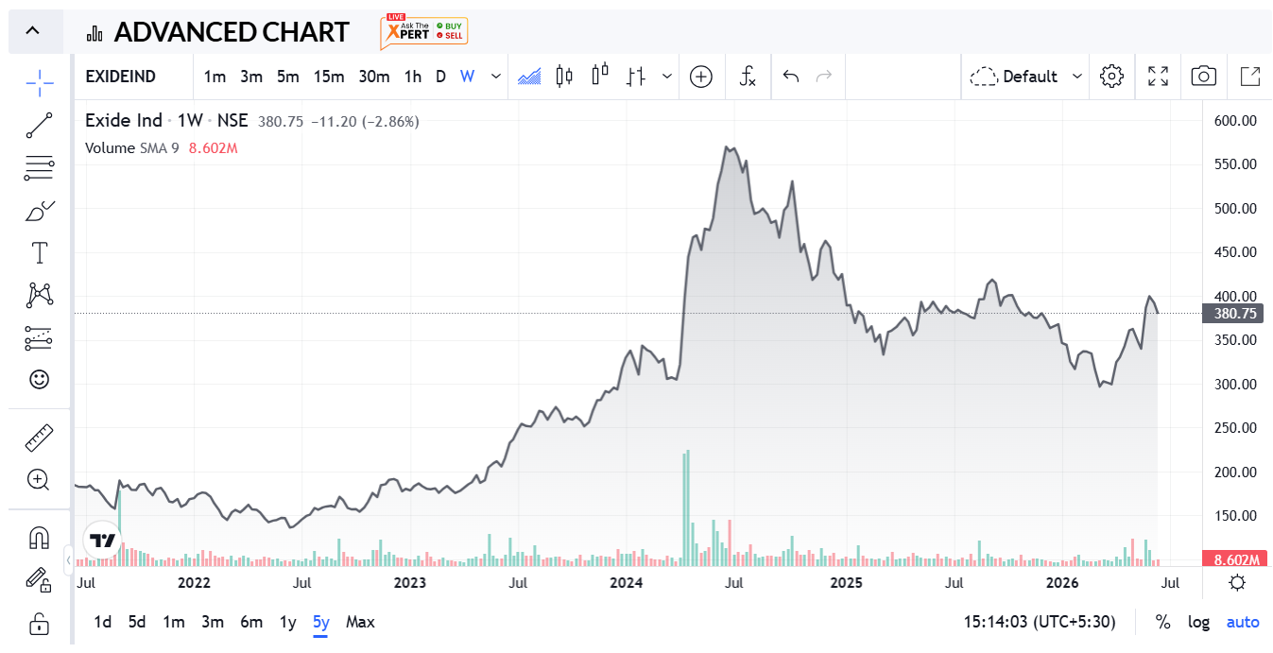
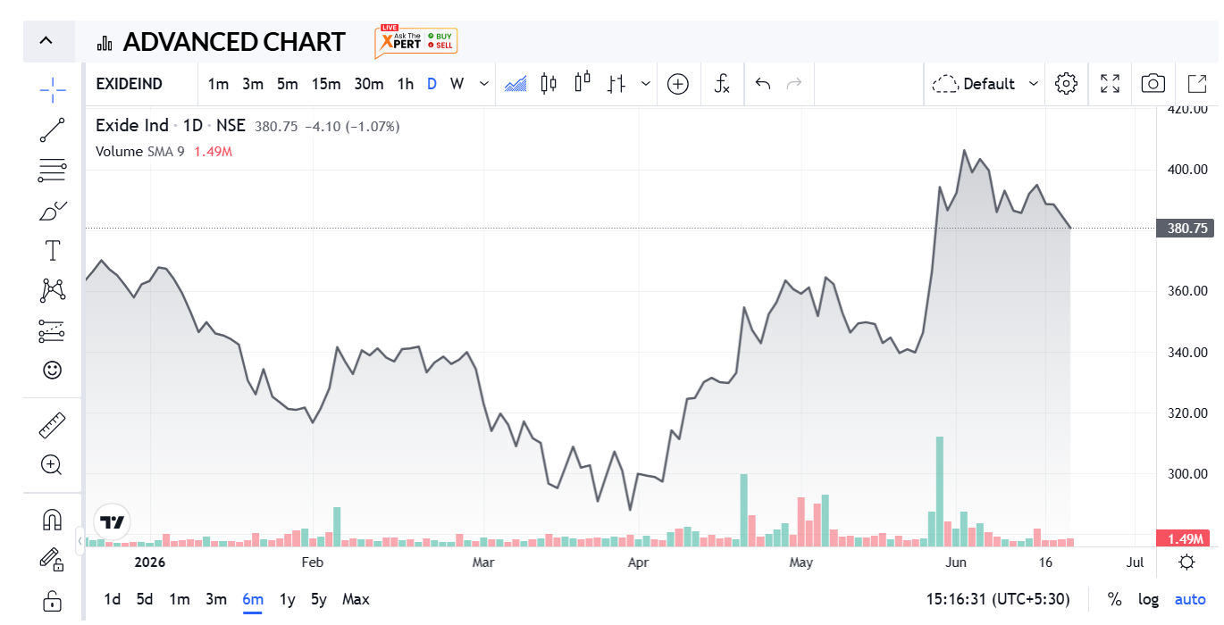
Metric | Value | Financial Year | Revenue (₹ Crore) | Profit After Tax (PAT) (₹ Crore) | Revenue Change (%) | PAT Change (%) | Nifty 50 Change (%) | Nifty 50 Prices
Market Cap | 32364 | FY 2025-26 | 17,995 | 860 | 4.39% | 7.500% | -1% | 23283.7
Current Price | 381 | FY 2024-25 | 17,238 | 800 | 2.79% | -9.400% | 5% | 23519.35
High / Low | 431/287 | FY 2023-24 | 16,770 | 883 | 11.22% | 7.290% | 29% | 22326.9
Stock P/E | 39.00 | FY 2022-23 | 15,078 | 823 | 17.90% | -81.111% | -1% | 17359.75
Book Value | 164 | FY 2021-22 | 12,789 | 4,357 |  |  |  | 17464.75
Dividend Yield | 0.53%
ROCE | 8.54%
ROE | 5.97%
Face Value | 1

INVESTMENT VIEW & RECOMMENDATION

Investment Thesis — Why It Works
• Pan-India power-solutions leader with ~80-year legacy spanning Automotive OEM/Aftermarket, Industrial UPS, Solar, Telecom and Submarine batteries — sold through 1,20,000+ channel partners across 70+ export markets.
• Operating momentum is re-accelerating: Q4 FY26 net sales rose 12.7% QoQ to ₹4,735 Cr, while full-year FY26 revenue grew 4.4% YoY to ₹17,995 Cr and consolidated PAT grew 7.4% YoY to ₹860 Cr, recovering from a softer FY25.
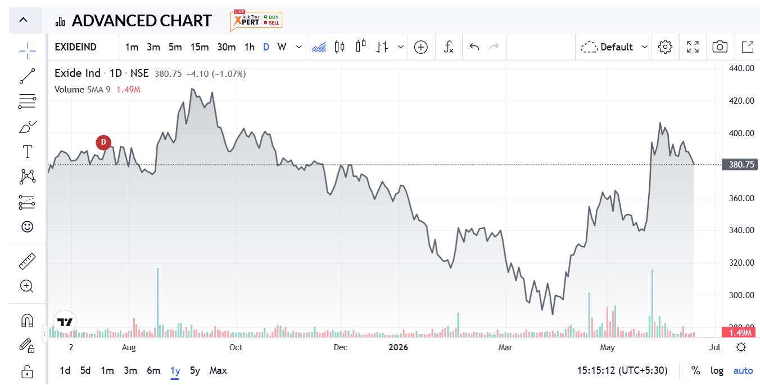
• Standalone balance sheet is debt-free with AAA (Stable) / A1+ ratings from ICRA, giving Exide headroom to self-fund its lithium-ion transition through Exide Energy Solutions (EESL) without diluting shareholders.
• Backward integration via Chloride Metals (CML) supplies ~50% of Exide's lead requirement and underpins ~79% recycled-lead usage — a circularity moat that cushions margins against lead-price volatility.

Key Risks & Watch-Points
• Stock trades at ~38x trailing P/E vs. a peer average of ~22.5x and ~2.3x Book Value — rich largely because EESL's pre-revenue losses are depressing consolidated EPS, not because the core battery business is over-earning.
• EESL's Li-ion lines are still in installation & validation, with commercial dispatches targeted for FY27 after ₹4,802 Cr cumulative capex — until then, consolidated ROE (~6%) stays well below peer levels.
• Working capital is stretching — payable days have lengthened from ~59 to ~83 over five years — and interest coverage has eased from ~15.8x to an 8–10x range as the EESL build-out tests the balance sheet.

Valuation Snapshot (linked to DCF & Relative Valuation sheets)
Valuation Basis |  |  | Implied Value / Share (₹) | Premium / (Discount) to CMP
Current Market Price (CMP) |  |  | ₹ 381 |  |  | —
P/E — Peer Average (~22x) |  |  | ₹ 225 |  |  | (41.0%)
EV/Sales — Peer Average |  |  | ₹ 808 |  |  | 112.2%
EV/EBITDA — Peer Average |  |  | ₹ 385 |  |  | 1.2%
DCF Intrinsic Value (conservative growth scenario) |  |  | ₹ 7 |  |  | (98.1%)

RECOMMENDATION: BUY — ACCUMULATE ON DIPS | LONG-TERM (3+ YEAR HORIZON)

Exide's FY26 numbers point to a business stabilising after a soft FY25 — revenue and profit growth both turned positive again, Q4 momentum accelerated, and the core lead-acid franchise remains debt-free with industry-leading distribution reach. The Relative Valuation read-through is genuinely mixed: EV/Sales and EV/EBITDA suggest the market isn't over-paying for Exide's revenue and operating-profit base, even though the ~38x trailing P/E looks rich — that gap is better explained by EESL's pre-revenue losses temporarily depressing consolidated EPS than by genuine overvaluation of the core business. A staggered, SIP-style entry is more sensible than a one-time lump-sum buy, with FY27 Li-ion commercial dispatches the key catalyst to watch.

